Pivot
Total Region Purchased Bike

Row Labels | Count of Purchased Bike
Europe | 300
North America | 508
Pacific | 192
Grand Total | 1000

Total Occupational Purchased Bike

Row Labels | Count of Purchased Bike
Clerical | 177
Management | 173
Manual | 119
Professional | 276
Skilled Manual | 255
Grand Total | 1000

Age Bracket Purchase
Count of Purchased Bike | Column Labels
Row Labels | No | Yes | Grand Total
Middle age | 159 | 139 | 298
old | 166 | 110 | 276
Young | 194 | 232 | 426
Grand Total | 519 | 481 | 1000

Sum of Income | Count of Purchased Bike
$56,360,000 | 1000

Dashboard

BIKE BUYERS SALES DASHBOARD
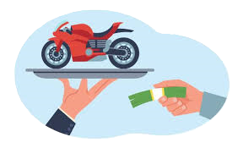

SUM OF INCOME
$56,360,000
PURCHASED BIKE
1000

TOTAL REGION PURCHASE BIKE | AGE BRACKET PURCHASE
Total Region Purchased Bike
 | Total
Europe | 300
North America | 508
Pacific | 192
Age Bracket Purchase
 | No | Yes
Middle age | 159 | 139
old | 166 | 110
Young | 194 | 232

TOTAL OCCUPATONAL PURCHASE
Total Occupational Purchased Bike
 | Total
Clerical | 177
Management | 173
Manual | 119
Professional | 276
Skilled Manual | 255

